3-Create stored procedure
Generated view - output |  | How to use the generated script
Copy this script to the SQL server - all yellow lines. You may delete empty lines afterwards.

USE plcsql; |  | 1. | Start SQL Server Management Studio
DELIMITER $$
DROP PROCEDURE IF EXISTS sp_SaveConventional$$
/* ====================================
MySQL Stored Procedure for PLCSQL Link
Inserts data in a conventional SQL table with values from a PLC. Script is called from the PLC. |  | 2. | Connect to your database, and make sure it is selected in the Object Explorer. Then click on New Query
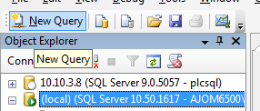
Data is inserted into the SQL table: LogTableConventional
==================================== */ |  |  | Example value
CREATE PROCEDURE sp_SaveConventional( |  |  | Pilsner
tstring TEXT |  |  | Mixer
)
BEGIN
DECLARE ParamID TEXT;
DECLARE ParamValue TEXT;
DECLARE Col TEXT; | 3) | 3. | Copy the yellow fields from this Excel sheet into the Query Window, and press Execute (F5)
DECLARE Val TEXT;
DECLARE SetID INT;
DECLARE SetCount INT;

WHILE (LENGTH( tstring ) > 0) DO
-- Find ParamID in first part of Where Pair
CALL sp_StringEater(tstring,ParamID);

-- Find ParamValue to log
CALL sp_StringEater(tstring,ParamValue);

IF ParamID=30010 THEN SET Col='`PCBA`'; SET Val=CONCAT(CHAR(39),ParamValue,CHAR(39)); END IF;
IF ParamID=30011 THEN SET Col=CONCAT(Col,',`BAT`'); SET Val=CONCAT(Val,',',CHAR(39),ParamValue,CHAR(39)); END IF;
IF ParamID=1 THEN SET Col=CONCAT(Col,',`PowerWireMin`'); SET Val=CONCAT(Val,',',CHAR(39),ParamValue,CHAR(39)); END IF;
IF ParamID=2 THEN SET Col=CONCAT(Col,',`PowerWireMax`'); SET Val=CONCAT(Val,',',CHAR(39),ParamValue,CHAR(39)); END IF;
IF ParamID=3 THEN SET Col=CONCAT(Col,',`PowerWireMeas`'); SET Val=CONCAT(Val,',',CHAR(39),ParamValue,CHAR(39)); END IF;
IF ParamID=10002 THEN SET Col=CONCAT(Col,',`BalanceWireMin`'); SET Val=CONCAT(Val,',',CHAR(39),ParamValue,CHAR(39)); END IF;
IF ParamID=10003 THEN SET Col=CONCAT(Col,',`BalanceWireMax`'); SET Val=CONCAT(Val,',',CHAR(39),ParamValue,CHAR(39)); END IF;
IF ParamID=20002 THEN SET Col=CONCAT(Col,',`BalanceWireMeas`'); SET Val=CONCAT(Val,',',CHAR(39),ParamValue,CHAR(39)); END IF;
IF ParamID=20003 THEN SET Col=CONCAT(Col,',`MeasResult`'); SET Val=CONCAT(Val,',',CHAR(39),ParamValue,CHAR(39)); END IF;

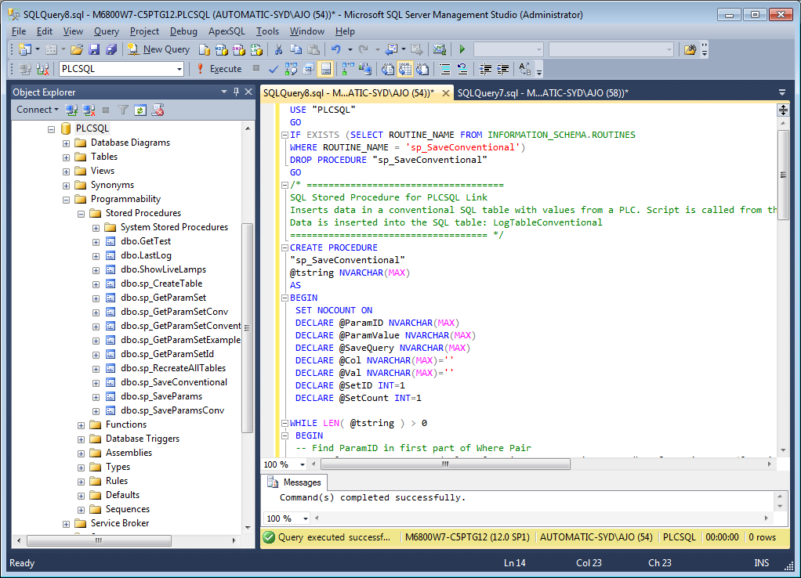

-- --------------------------------------------------------
END WHILE; -- End while tstring

SET @SaveQuery = CONCAT('INSERT INTO LogTableConventional (',Col,') VALUES (',Val,');');
-- SELECT @SaveQuery;
PREPARE square_stmt from @SaveQuery;
EXECUTE square_stmt;
SET SetID=LAST_INSERT_ID();
DEALLOCATE PREPARE square_stmt;

-- Output SetID,SetCount and TimeStamp to PLCSQL Link Client
SELECT 15001 AS ParamID, SetID AS ParamValue;
SELECT 30001 AS ParamID, NOW() AS ParamValue; -- Returns current timestamp
SELECT 10001 AS ParamID, 1 AS ParamValue; -- Not used

END$$ -- End Stored procedure

